Tata steel
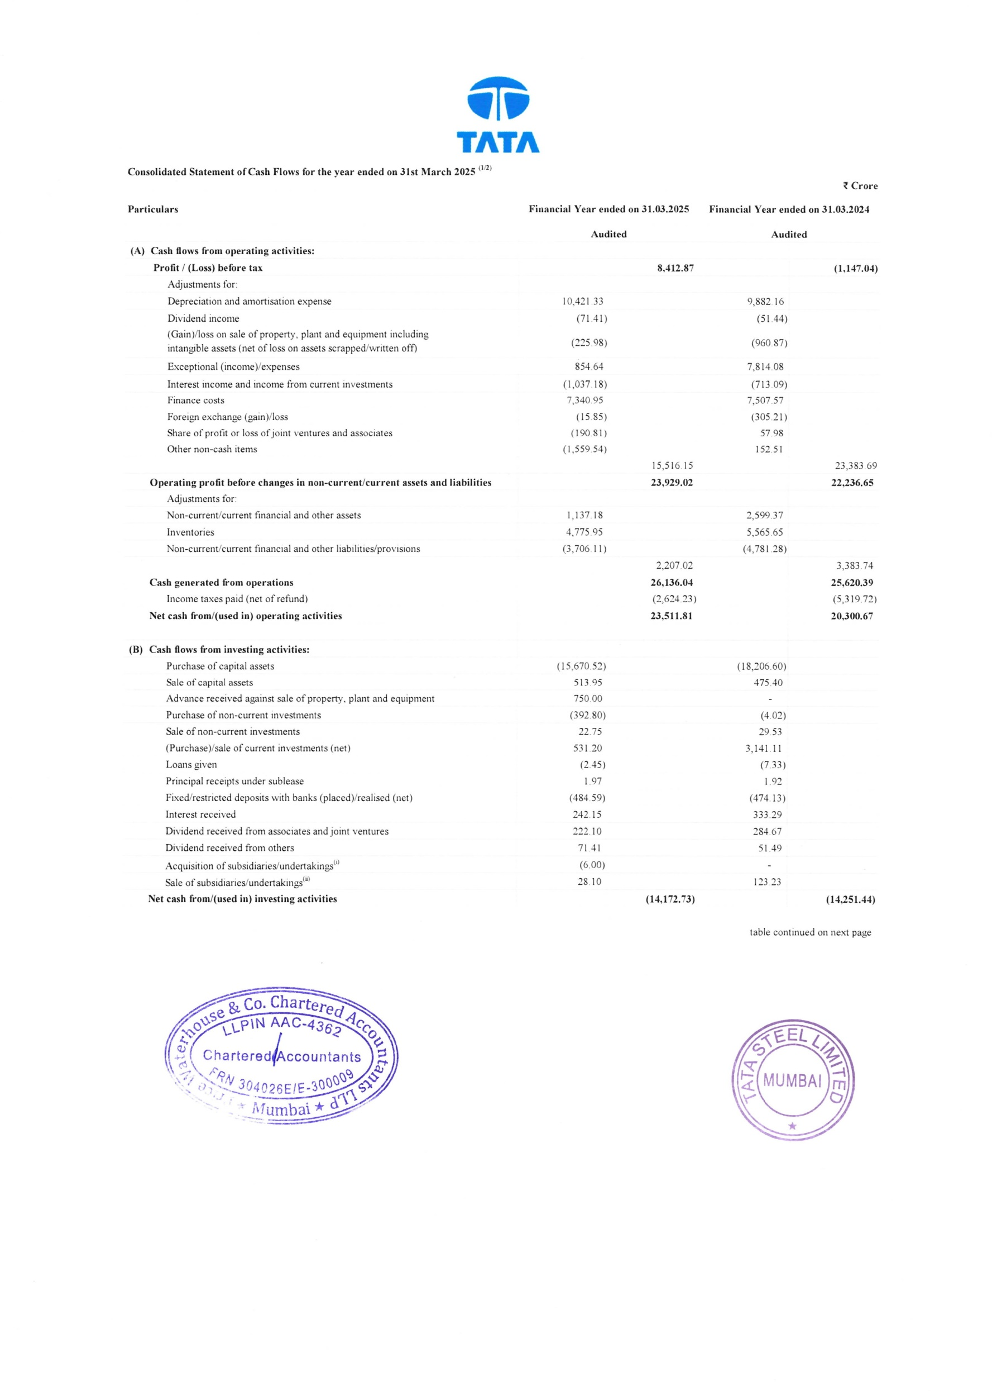

NSE
NSE INVESTMENTS LIMITED STANDALONE STATEMENT OF CASH FLOW FOR THE YEAR ENDED MARCH 31, 2025
ParticuIare |  |  | For the year ended March 31. 2025 |  | For the year ended March 31. 2024
A) CASH FLOW FROM OPERATING ACTIVITIES
NET PROFIT BEFORE TAX |  |  | 2,74,907.18 |  | 52.34 3.93
Adjustments for :
Profit on sale of investment in Subsidiary and Associate Companies |  |  | (1,62,745.34) |  | (11,793 05)
Realised net gain on fair value changes |  |  | (3,420.34) |  | (24 8.36)
Unealised nel gain on fair value changes |  |  | (11,779.95) |  | (13.359.92
Loss on sale of investment in Subsidiary Company
Revert al of Diminution in value of PXIL Inveslment |  |  | (1,711.92)
Cost of investment written off |  |  | 350.90 |  | 4 000”00
OPERATING PROFIT BEFORE WORKING CAPITAL CHANGES |  |  | 95,600.53 |  | 30,942 60
Adjustments for :
(Increase)/ Decrease in Financial Assets |  |  | 5,513.00 |  | 498.82
(increase)/ Decrease in Other Non Financial Assets |  |  | (409) |  | (0 45)
Increase/ (Decrease) ‹n Other Financial Liabilities |  |  | 1,252.37 |  | 1 29 67
Increase/ (Decrease) in Other Non-Financial Liabilities |  |  | 336.46 |  | 44.35
CASH GENERATED FROM OPERATIONS |  |  | 1,02.698.27 |  | 33,776.99
Direct Taxes paid (Net of Refunds) |  |  | (26,888.56) |  | (3,282.09)
NET CASH FROM (USED IN) OPERATING ACTIVITIES - Total (A)
 |  |  | 75,809.71 |  | 30.494 90
B) CASHFLOW FROM INVESTING ACTIVITIES
Proceeds from sale of Mutual Funds |  |  | 3,OF.100.40 |  | 25,074.21
Purchase of Mutual Funds |  |  | (2,74,124.00} |  | 30,206.00
Proceeds from sale of Investment in Subsidiary companies |  |  | 23,000.72
Proceeds from sale of Investment in Associate companies |  |  | 1, 44,S45.5 fi |  | 12.773. 97
Investment In Of her Equity Instruments |  |  |  |  | (3 000 00)
Investment in Preference shares of Subsidiary Companies |  |  | {4,212.00) |  | (6,340 00
NET CASH FROM ( USED IN} INVESTING ACTIVITIES - TotaI (B} |  |  | 1,94,310.68 |  | (1 697.82)
C) CASHFLOW FROM FINANCING ACTIVI TIES
Dividend paid to equity shareholders |  |  | (2,80,837.76} |  | (20 319 44
Dividend paid lo Preference shareholders |  |  |  |  | (1 670.80)
NET CASH FROM {USED IN) FINANCING ACTIVITIES - TotaI {C} |  |  | (2,80,837. 76} |  | (21.990.24)
NET INCREASE / (DECREASE) IN CASH AND CASH EQUIVALENTS (A+B*C) |  |  | (10,717.37) |  | 6.806 84
CASH AND CASH EQUIVALENTS : OPENING BALANCE |  |  | 12,487. 58 |  | 5.68 0.74
CLOSING CASH AND CASH EQUIVA LE NTS : CLOSING BALANCE |  |  | 1, 770.21 |  | 12.487 58
NET INCREASE / (DECREASE) IN CASH AND CASH EQUTVALENT
 |  |  | (10,717.37) |  | 6.806.84
Notes to Cash Flow Statement - Since the Company is an Investment Holding Company. purchase and sale of investments have been considered as part of Cash Flows from Investing Activities’ and dividend earned during the year ended March 31. 2025 Rs.99 277 79 lakhs (Previous year ended March 31. 2024 Rs. 32,529 20 lakhs) have been considered as part of "Cash Flows From Operating Activities "
2 The above Cash Flow Statement has been prepared under the "Indirect Method" as set out in the Ind AS 7 on Cash Flow Statements notified under the Companies (Accounting Standards) Rules 2015.
3 Previous years' figures are regrouped. reclas sified and rearranged wherever necessary
As per our report of even date atta c he d For K. S. AIYAR & CO. Chartered Accountants Firm's Registration no : 100186W |  | For and on behalf of the Board of Directors
Mumbai- f1. ^
Sach in A. Negandhi Partner Membership No.: 112888 Pac | P R Ramesh Chairman DIN 0191 5274 Pankaj Gavankar Chief Financial Officer |  |  | Kshama Fernandez Director O1N 025394 29 | Managing Director DIN 10132733

Class_Excercise


Category | Description | Cash Inflow (+) | Cash Outflow (-)
Income | Gross Monthly Salary | $2,000

Taxes/Deductions | Federal Tax |  | -$150
 | State Tax |  | -$50
 | Social Security |  | -$150

Fixed Expenses | Rent |  | -$450
 | Car Payment |  | -$150
 | Medical Insurance |  | -$75
 | Car Insurance |  | -$50
 | Renter's Insurance |  | -$20

Variable Expenses | Groceries |  | -$200
 | Utilities |  | -$125
 | Gasoline |  | -$75
 | Savings (Beach Vacation) |  | -$100

Discretionary/Misc | Birthday Present |  | -$50
 | Movie with Friend |  | -$10
 | Dinner with Friends |  | -$25
 | New Outfit |  | -$100
 | Emergency (Flat Tire) |  | -$75

TOTALS |  | $2,000 | -$1,855

